Instructions
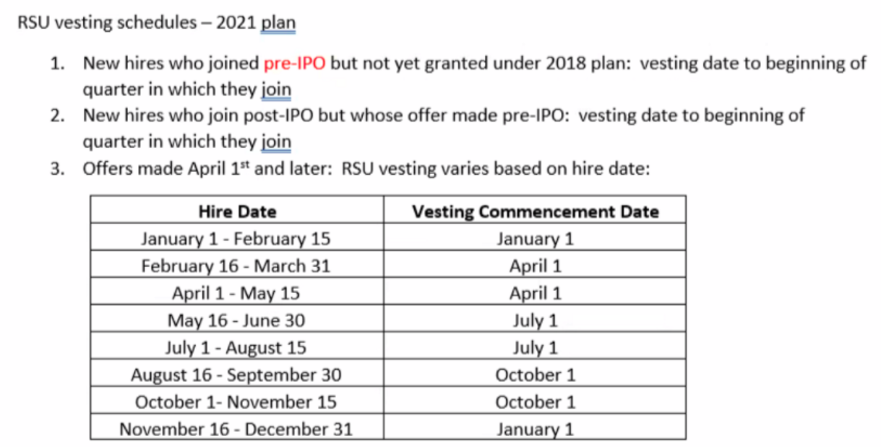
Run "Global Worker Detail - Compensation" effective end of month
Paste whole file into GWD Tab
Insert row for "RUN DATE" below effective date

Run "Stock Grant - Additions" - Pending and don't click on Refresh
Paste into Stock Grant Additions tab
filter only for EE effective current month
In Column y, add formula to sum M + Q Columns

Copy Worker IDs and Names from Stock Grant - Additions tab into "Current Month" tab in columns B & C
Copy formulas in Column A AND D thru End

Run Global Conversions Report (Conversion Date - is manual - but it works on Romania) | Maybe add to GWD - Comp
Look up in Conversions to see who is not on the Stock-Additions
Effective Date of Sub- Type Change
Columns O&P reference a hidden tab (Karen's guidelines)

Conversion Date - is manual - but it works on Romania

Columns O&P reference a hidden tab (Karen's guidelines)

On GWD tab, filter on current month hires.
Add a lookup on the GWD to the current month tab (to the right) to ensure all new hires are in the stock Grant additions

Grant Reason - use Drop Down - reasons are listed below

PATH - trading average
Update Cells in Orange of the 1st date and last date of previous month

CEO Award
Equity Refresh
Acquisition
Equity Refresh - Executive
Board of Directors
New Hire
New Hire - Executive

Current Month
Generated Field
Generated Field
WD GWD Manual paste | WD GWD Manual paste | WD GWD Report - LOOKUP | WD GWD Report - LOOKUP | WD GWD Report - LOOKUP - BM | WD GWD Report - LOOKUP - AO | WD GWD Report - LOOKUP | WD GWD Report - LOOKUP | WD GWD Report - LOOKUP | MANUAL - possibly use Conversion report | Formula | WD Stock Grants Summary Report - LOOKUP | Manual | Lookups | Lookups | Formula - Review Overs | Formula - Review Red Cells | Formula - Review | Formula (Override if necessary) | consolidate formula | Manual Check against Leder | Manual Check against Leder |  |  |  | Manual (Can we figure out a way to automate?) L8> New Hire Exec L8<New Hire | Formula | Manual | Columns for Peer Review | Columns for Peer Review | Columns for Peer Review | Columns for Peer Review | Columns for Peer Review | Columns for Peer Review | Columns for Peer Review | Columns for Peer Review | Columns for Peer Review | Columns for Peer Review | Columns for Peer Review | Columns for Peer Review | Columns for Peer Review
Worker ID | WD Report Name | Country | Time Type Worker Sub-Type | E-mail | Comp Grade | Job Code | Job Profile | Hire Date (if conversion in Romania, complete in column I) | Conversion Date | Start Vesting Date | Value in Offer Letter | Termination check? | Tier | Max Guidelines | Over guidelines | % of guideline max | CC (also check for Level 09 & 10) | Price used for Determining # of Shares | Value In Offer / Stock Value | Previously Granted/in Ledger | Net Amount Owned | Stock Options Final Grant | RSU Final Grant | Total | Grant Reason | Vesting schedule Name | Notes | Grant Summary | match to Grant summary: | Match hired date to GWD | Match date? | Check Profile | Match Profile | Compgrade | match compgrade?
EE-003513 | Tyhyn Mylaso
EE-002035 | Jiduh Pycovu
EE-004299 | Zysot Gelesa
EE-002068 | Nevuz Bepazu
EE-005337 | Zudap Corero

